model
Gradient Descent - How does it work?
 |  |  |  |  |  |  |  | Formulas: |  |  |  |  |  | Error gradients w.r.t. weights a & b
Create a model that predicts the price of a new house given the house size. |  |  |  |  |  |  |  | Ypred = a + bX |  |  |  |  |  | a: ∂SSE/∂a = -(Y-Ypred)
 |  |  |  |  |  |  |  | Sum of Squares Error (SSE) = 1/2 Sum(Y - Ypred)^2 |  |  |  |  |  | b: ∂SSE/∂b = -X* (Y-Ypred)

 |  |  | Max: | 2,450 | 405,000 |  |  |  | Learning Rate r: | 0.01 |  |  |  | Update Rules:
 |  |  | Min: | 1,100 | 199,000 |  |  |  |  |  |  |  |  | a: a - r * ∂SSE/∂a = a - r * (Y - Ypred)
 |  |  |  |  |  |  | Step 1: Initialize a & b with random values |  |  |  |  |  |  | b: b - r* ∂SSE/∂b = a - r * X*(Y - Ypred)

Obs. | Housing Data |  |  | (Val-Min/Max-Min) |  |  |  |  | Feature and Label |  |  |  |  | ∂SSE/∂a | ∂SSE/∂b
 | House_Size | House_Price |  | House_Size | House_Price |  | a | b | X | Y | Ypred=a+bX |  | SSE=0.5(Y-Ypred)^2 | -(Y-Ypred) | -X* (Y-Ypred)
0 | 1,100 | 199,000 |  | - | - |  | 0.45 | 0.75 | - | - | 0.45 |  | 0.101 | 0.45 | - | Need to Minimize SSE by finding optimal values of a & b.
1 | 1,400 | 245,000 |  | 0.22 | 0.22 |  |  |  | 0.22 | 0.22 | 0.62 |  | 0.077 | 0.39 | 0.09 | SSE depends on a, b, X, and Y. But, X & Y are fixed observations.
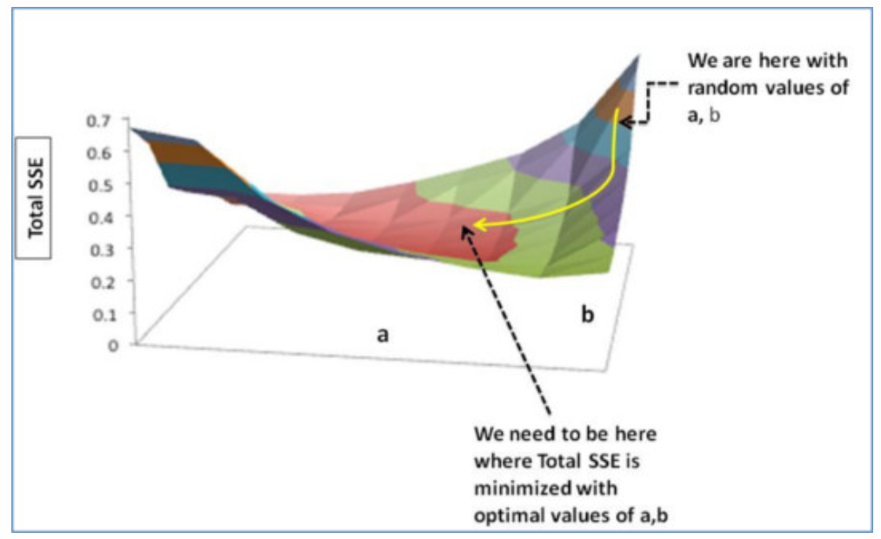
2 | 1,425 | 319,000 |  | 0.24 | 0.58 |  |  |  | 0.24 | 0.58 | 0.63 |  | 0.001 | 0.05 | 0.01
3 | 1,550 | 240,000 |  | 0.33 | 0.20 |  |  |  | 0.33 | 0.20 | 0.70 |  | 0.125 | 0.50 | 0.17
4 | 1,600 | 312,000 |  | 0.37 | 0.55 |  |  |  | 0.37 | 0.55 | 0.73 |  | 0.016 | 0.18 | 0.07
5 | 1,700 | 279,000 |  | 0.44 | 0.39 |  |  |  | 0.44 | 0.39 | 0.78 |  | 0.078 | 0.39 | 0.18
6 | 1,700 | 310,000 |  | 0.44 | 0.54 |  |  |  | 0.44 | 0.54 | 0.78 |  | 0.030 | 0.24 | 0.11
7 | 1,875 | 308,000 |  | 0.57 | 0.53 |  |  |  | 0.57 | 0.53 | 0.88 |  | 0.062 | 0.35 | 0.20
8 | 2,350 | 405,000 |  | 0.93 | 1.00 |  |  |  | 0.93 | 1.00 | 1.14 |  | 0.010 | 0.14 | 0.13
9 | 2,450 | 324,000 |  | 1.00 | 0.61 |  |  |  | 1.00 | 0.61 | 1.20 |  | 0.176 | 0.59 | 0.59
 |  |  |  |  |  |  |  |  |  |  |  | Total SSE: | 0.677 | 3.300 | 1.545
yhat | 4.25 | 56,949 |  | 241,809
 |  |  |  |  |  |  | Step 2: Calc gradient and update a & b (first update)

 |  |  |  |  |  |  | Apply Update Rules: |  | Feature and Label |  |  |  |  | ∂SSE/∂a | ∂SSE/∂b
 |  |  |  |  |  | Obs. | a | b | X | Y | Ypred=a+bX |  | SSE=0.5(Y-Ypred)^2 | -(Y-Ypred) | -X* (Y-Ypred)
 |  |  |  |  |  | 0 | 0.42 | 0.73 | - | - | 0.42 |  | 0.087 | 0.42 | -
 |  |  |  |  |  | 1 |  |  | 0.22 | 0.22 | 0.58 |  | 0.064 | 0.36 | 0.08
 |  |  |  |  |  | 2 |  |  | 0.24 | 0.58 | 0.59 |  | 0.000 | 0.01 | 0.00
 |  |  |  |  |  | 3 |  |  | 0.33 | 0.20 | 0.66 |  | 0.107 | 0.46 | 0.15
 |  |  |  |  |  | 4 |  |  | 0.37 | 0.55 | 0.69 |  | 0.010 | 0.14 | 0.05
 |  |  |  |  |  | 5 |  |  | 0.44 | 0.39 | 0.74 |  | 0.063 | 0.36 | 0.16
 |  |  |  |  |  | 6 |  |  | 0.44 | 0.54 | 0.74 |  | 0.021 | 0.20 | 0.09
 |  |  |  |  |  | 7 |  |  | 0.57 | 0.53 | 0.84 |  | 0.048 | 0.31 | 0.18
 |  |  |  |  |  | 8 |  |  | 0.93 | 1.00 | 1.10 |  | 0.005 | 0.10 | 0.09
 |  |  |  |  |  | 9 |  |  | 1.00 | 0.61 | 1.15 |  | 0.148 | 0.54 | 0.54
 |  |  |  |  |  |  |  |  |  |  |  | Total SSE: | 0.553 | 2.900 | 1.350

 |  |  |  |  |  |  | Step 3: Calc gradient and update a & b (second update)

 |  |  |  |  |  |  | Apply Update Rules: |  | Feature and Label |  |  |  |  | ∂SSE/∂a | ∂SSE/∂b
 |  |  |  |  |  | Obs. | a | b | X | Y | Ypred=a+bX |  | SSE=0.5(Y-Ypred)^2 | -(Y-Ypred) | -X* (Y-Ypred)
 |  |  |  |  |  | 0 | 0.39 | 0.72 | - | - | 0.39 |  | 0.075 | 0.39 | -
 |  |  |  |  |  | 1 |  |  | 0.22 | 0.22 | 0.55 |  | 0.053 | 0.32 | 0.07
 |  |  |  |  |  | 2 |  |  | 0.24 | 0.58 | 0.56 |  | 0.000 | (0.02) | (0.01)
 |  |  |  |  |  | 3 |  |  | 0.33 | 0.20 | 0.63 |  | 0.092 | 0.43 | 0.14
 |  |  |  |  |  | 4 |  |  | 0.37 | 0.55 | 0.66 |  | 0.006 | 0.11 | 0.04
 |  |  |  |  |  | 5 |  |  | 0.44 | 0.39 | 0.71 |  | 0.051 | 0.32 | 0.14
 |  |  |  |  |  | 6 |  |  | 0.44 | 0.54 | 0.71 |  | 0.014 | 0.17 | 0.08
 |  |  |  |  |  | 7 |  |  | 0.57 | 0.53 | 0.80 |  | 0.037 | 0.27 | 0.16
 |  |  |  |  |  | 8 |  |  | 0.93 | 1.00 | 1.06 |  | 0.002 | 0.06 | 0.05
 |  |  |  |  |  | 9 |  |  | 1.00 | 0.61 | 1.11 |  | 0.126 | 0.50 | 0.50
 |  |  |  |  |  |  |  |  |  |  |  | Total SSE: | 0.457 | 2.548 | 1.178

 |  |  |  |  |  |  | Step 4: Repeat a & b updates until SSE is minimized

